Delivery Charge
Delivery to single location with pick up from one restaurant vendor deal

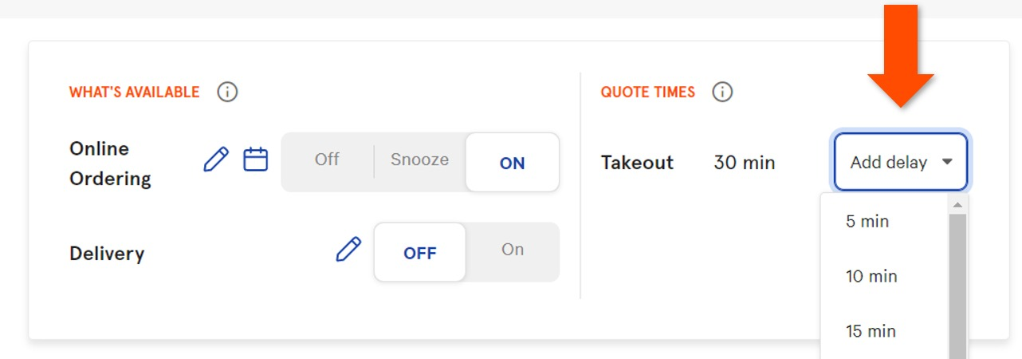
Allow to adjust the delivery time
Set Active / in activite of the Delivery service
Example:

Reference Screens
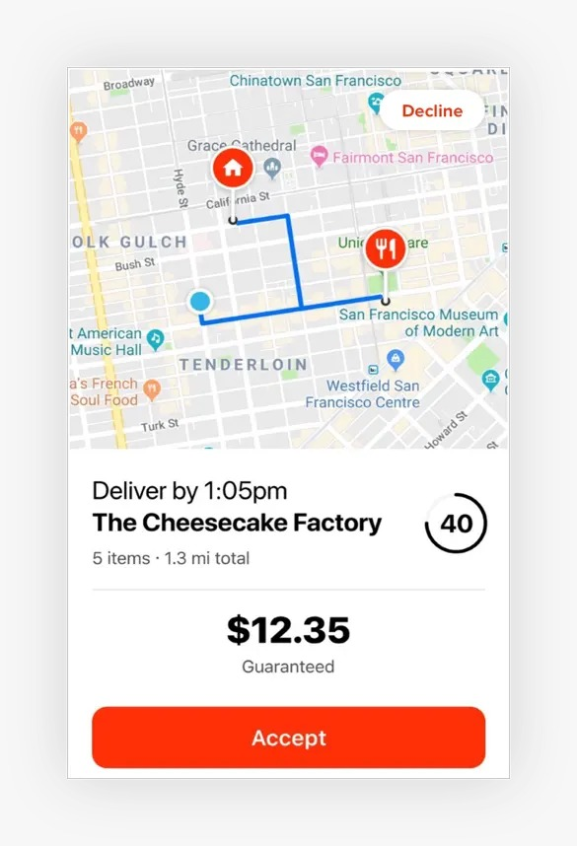
Sample for user knowing the busy zone district

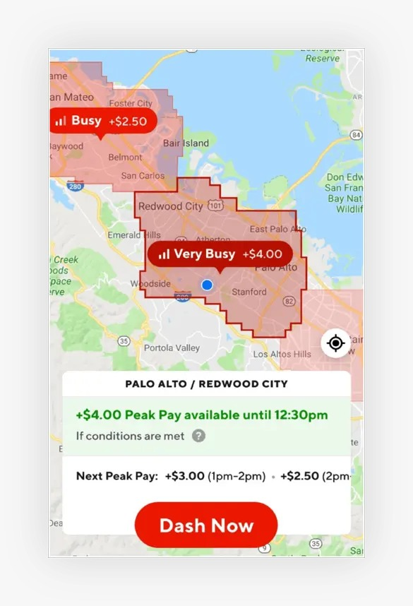

 | Sample of Status Update

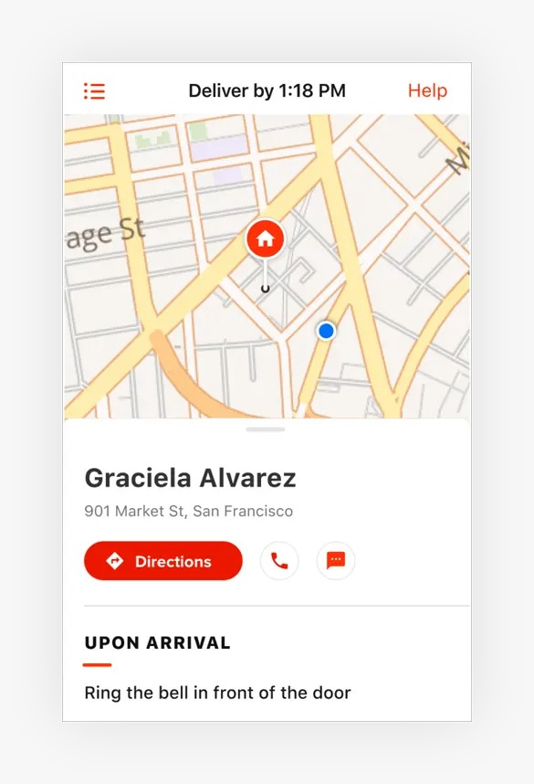

Sample for display distance and charge

